Dashboard
CITY ORDER HEATMAP
CITY PROFITS
PRODUCT PROFITS

 | City | Monday | Tuesday | Wednesday | Thursday | Friday | Saturday | Sunday
 | Krakow | 53 | 48 | 57 | 65 | 65 | 58 | 54
 | Lodz | 58 | 45 | 47 | 39 | 39 | 56 | 39
 | Warsaw | 43 | 38 | 56 | 57 | 44 | 60 | 38
 | Wroclaw | 44 | 44 | 40 | 62 | 46 | 50 | 40
CUSTOMER SEGMENT SALE DISTRIBUTION

TOTAL SALES
1,924,338 EUROS

FURNITURE
OFFICE SUPPLIES
TECHNOLOGY

TOP 5 PRODUCT CATEGORIES

 |  |  |  |  |  |  |  |  | Krakow | €77,365.47
 |  |  |  |  |  |  |  |  | Lodz | €85,291.40
 |  |  |  |  |  |  |  |  | Warsaw | €75,844.79
 |  |  |  |  |  |  |  |  | Wroclaw | -€14,424.05

SALES / PROFITS TIMELINE

TOTAL ORDERS
RETURNED ORDERS
% OF ORDERS RETURNED

1365 |  |  | 11 |  |  |  | 0.81%

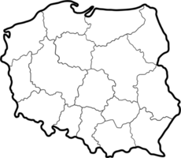

TOTAL PROFIT
224,078 EUROS

